UG Award Classification Tool
Undergraduate Award Classification Tool For use on Honours Degrees only
Important - Please Note: - This tool is for indicative purposes only and does not predict the award that you will achieve. It does not guarantee that you will be awarded the classification calculated. While this tool has been tested, we cannot take responsibility for any inaccuracies in calculations. - The tool has been designed for courses that are made up of 120 credits at levels 4, 5 and 6, where all modules are given a mark and a grade. - Your course may have exemptions that mean that this tool may not calculate an accurate outcome. Please refer to your course handbook for details of exemptions that are in place for your course, or check the Approved Exemptions to the Standard Assessment Regulations.
Approved Exemptions to the Standard Assessment Regulations
Instructions for use: - The credit weighting of each module that you have passed should be entered into the 'Module Credits' field and the mark that you have achieved for each module should be entered into the 'Module Mark' field. Modules that have been failed should not be entered. If you are unsure please check your results transcript on My Student Record. - You must enter 120 credits for level 5 and 6 for the calculator to work correctly. Step 1 - Identify the module mark(s) for your lowest 20 credits at each level and enter the marks and credits into the blue boxes. If your lowest module mark is in a module that is larger than 20 credits, enter 20 credits and the module mark in the blue box, then enter the remaining credits and the module mark in the orange boxes. See worked example 2 on the 'Examples' tab. Step 2 - Enter the marks and credits for your highest 100 credits into the orange boxes. Step 3 - If you have modules that you haven't completed but you think that you will pass, enter the credit weighting of the module and the mark that you think that you can achieve to calculate an estimated degree classification.

Enter your highest 100 credits at levels 5 and 6 into the orange boxes
Level 5 Credits |  | Level 6 Credits
Module Credits | Module Mark | Module Credits | Module Mark
40 | 40 | 40 | 50
20 | 44 | 20 | 54
20 | 46 | 20 | 50
20 | 40 | 20 | 49

Enter your lowest 20 credits at levels 5 and 6 into the blue boxes
20 | 40 | 20 | 46

 |  |  | Average | Classification | Borderline? | Upgrade?
Method 1 | Best 100 marked credits - Level 5 and 6 |  | 48.5 | 3rd | 2:2 Borderline | Upgrade to 2:2
Method 2 | Best 100 marked credits - Level 6 only |  | 50.6 | 2:2
Alt Method 1 | All marked credits - Level 5 and 6 |  | 47.8 | 3rd
Alt Method 2 | All marked credits - Level 6 only |  | 49.8 | 3rd | 2:2 Borderline | Upgrade to 2:2

The highest average mark is highlighted in yellow.

Examples
How to enter module marks and credits

 | Example 1 - the lowest module mark is in a module that is 20 credits

 | Your results on My Student Record are:
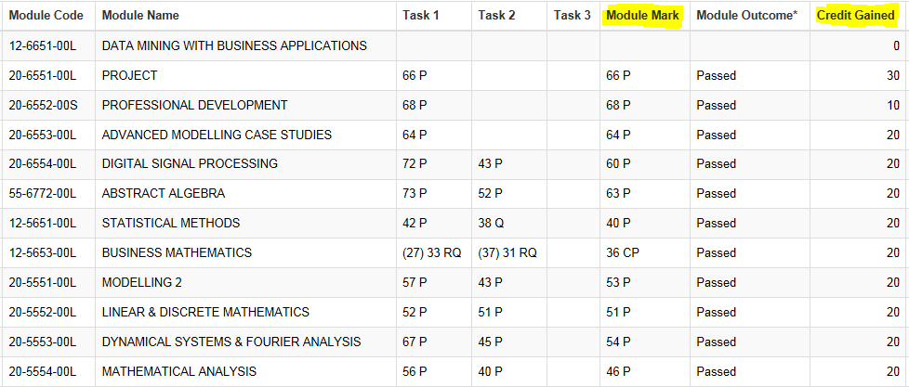

 | Enter your marks like this:

 | Level 5 Credits |  | Level 6 Credits
 | Module Credits | Module Mark | Module Credits | Module Mark
 | 20 | 40 | 30 | 66
 | 20 | 53 | 10 | 68
You have not yet completed this module but think that you can achieve a mark of 65.
 | 20 | 51 | 20 | 64
 | 20 | 54 | 20 | 63
 | 20 | 46 | 20 | 65

 | 20 | 36 | 20 | 60

 |  |  |  | Average | Classification | Borderline? | Upgrade?
 | Method 1 | Best 100 marked credits - Level 5 and 6 |  | 61.0 | 2:1
 | Method 2 | Best 100 marked credits - Level 6 only |  | 65.0 | 2:1
 | Alt method 1 | All marked credits - Level 5 and 6 |  | 59.8 | 2:2 | 2:1 Borderline | Upgrade to 2:1
 | Alt method 2 | All marked credits - Level 6 only |  | 64.2 | 2:1

 | The highest average mark is highlighted in yellow.

 | Example 2 - the lowest module mark is in a module that is larger than 20 credits

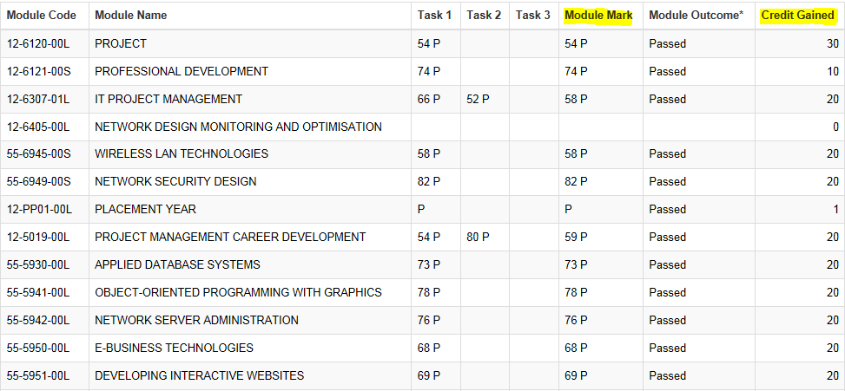
 | Your results on My Student Record are:

 | Enter your marks like this:

You have not yet completed this module but think that you can achieve a mark of 60.
 | Level 5 Credits |  | Level 6 Credits
 | Module Credits | Module Mark | Module Credits | Module Mark
 | 20 | 69 | 20 | 60
 | 20 | 68 | 10 | 74
 | 20 | 76 | 20 | 58
 | 20 | 78 | 20 | 58
Your lowest module mark is in a module that is 30 credits. Enter 20 credits and the module mark in the blue box, then the remaining 10 credits and the mark in the orange box.
 | 20 | 73 | 20 | 82
 |  |  | 10 | 54

 | 20 | 59 | 20 | 54

 |  |  |  | Average | Classification | Borderline? | Upgrade?
 | Method 1 | Best 100 marked credits - Level 5 and 6 |  | 66.5 | 2:1
 | Method 2 | Best 100 marked credits - Level 6 only |  | 64.4 | 2:1
 | Alt method 1 | All marked credits - Level 5 and 6 |  | 64.6 | 2:1
 | Alt method 2 | All marked credits - Level 6 only |  | 62.7 | 2:1

